Bug 2
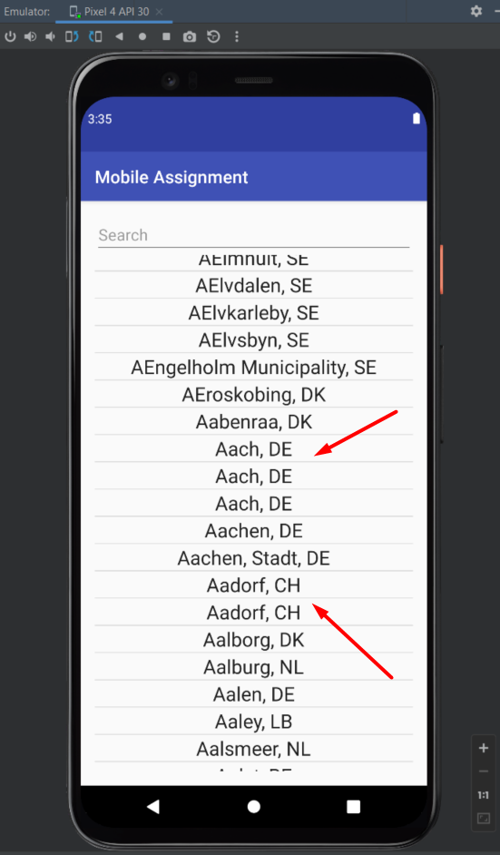
Bug ID | ID Number | 1
 | Name | Duplicate city names
 | Reporter | Artsiom Yahorau
 | Date | 2022-08-08
Bug Overview | Summary | Duplicate city names in the city list
 | Application | mobileAssignment
Environment | Platform | Android
 | Platform version | 10 and above
Bug details | Steps to reproduce | 1. Enter the app 2. Scroll down to the Aach, DE
 | Expected result | There is no duplication of the name of the city
 | Actual result | Many city names are duplicated
 | Additional Description
Bug tracking | Assigned to | Alex
 | Priority | Middle
 | Severity | Low
Notes | Notes

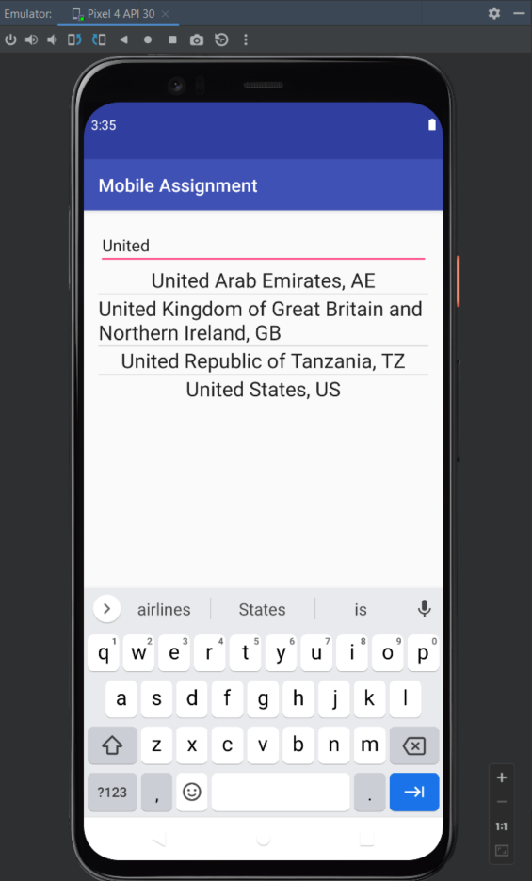
Bug ID | ID Number | 2
 | Name | Incorrect search
 | Reporter | Artsiom Yahorau
 | Date | 2022-08-08
Bug Overview | Summary | Incorrect search. Country search is possible.
 | Application | mobileAssignment
Environment | Platform | Android
 | Platform version | 10 and above
Bug details | Steps to reproduce | 1. Enter the app 2. Enter "United" in the search field
 | Expected result | Inability to search by countries
 | Actual result | Ability to search by countries
 | Additional Description
Bug tracking | Assigned to | Alex
 | Priority | Middle
 | Severity | middle
Notes | Notes

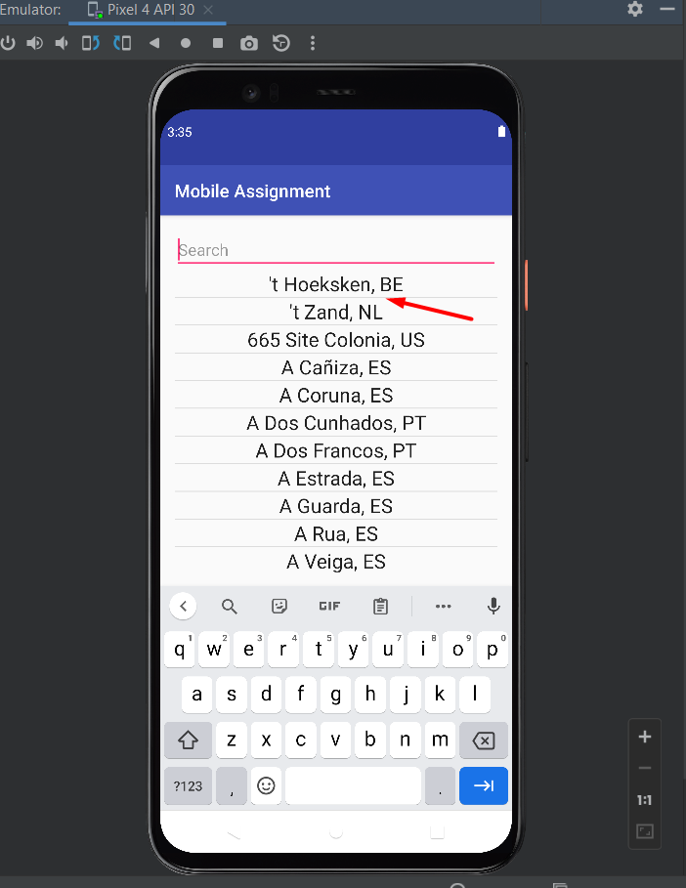
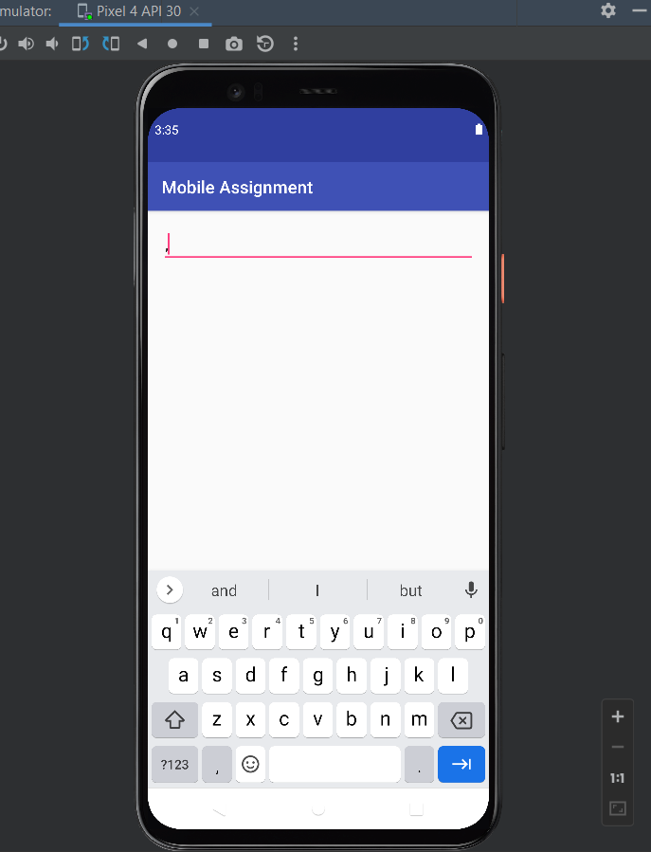
Bug ID | ID Number | 3
 | Name | Incorrect search by special characters
 | Reporter | Artsiom Yahorau
 | Date | 2022-08-08
Bug Overview | Summary | It is not possible to search for ','. It is present in the title.
 | Application | mobileAssignment
Environment | Platform | Android
 | Platform version | 10 and above
Bug details | Steps to reproduce | 1. Enter the app 2. Enter ',' in the search field
 | Expected result | Ability to search by symbols
 | Actual result | Inability to search by symbols
 | Additional Description
Bug tracking | Assigned to | Alex
 | Priority | Middle
 | Severity | Low
Notes | Notes

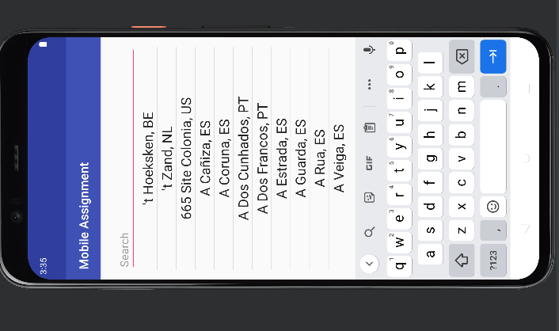
Bug ID | ID Number | 4
 | Name | The screen does not adapt when you rotate it
 | Reporter | Artsiom Yahorau
 | Date | 2022-08-08
Bug Overview | Summary | The screen does not adapt when you rotate it
 | Application | mobileAssignment | ,
Environment | Platform | Android
 | Platform version | 10 and above
Bug details | Steps to reproduce | 1. Enter the app 2. Turn the screen upside down
 | Expected result | The screen adapts
 | Actual result | The screen does not adapt when you rotate it
 | Additional Description
Bug tracking | Assigned to | Alex
 | Priority | High
 | Severity | High
Notes | Notes

